Sheet1
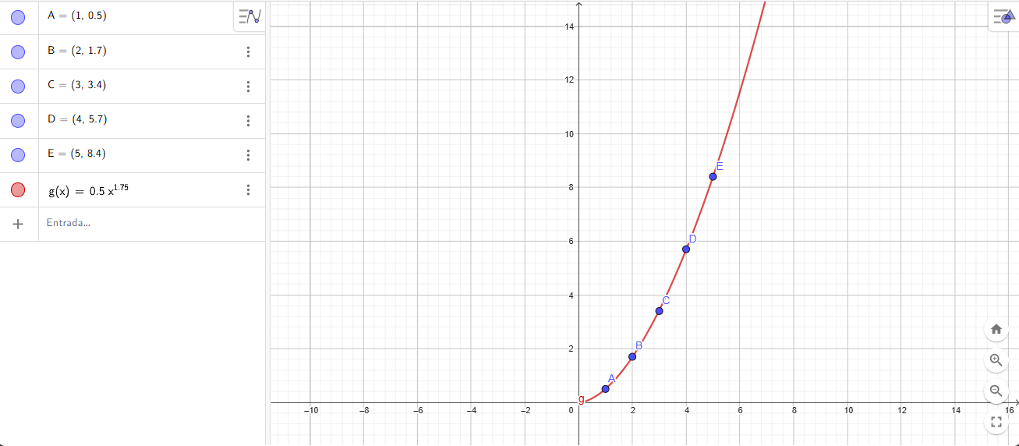
n | Xi | Log Xi | Yi | Log Yi | Xi^2 | Xi*Yi
5 | 1.0000 | 0.0000 | 0.5000 | -0.3010 | 0.0000 | 0.0000
 | 2.0000 | 0.3010 | 1.7000 | 0.2304 | 0.0906 | 0.0694
 | 3.0000 | 0.4771 | 3.4000 | 0.5315 | 0.2276 | 0.2536
 | 4.0000 | 0.6021 | 5.7000 | 0.7559 | 0.3625 | 0.4551
 | 5.0000 | 0.6990 | 8.4000 | 0.9243 | 0.4886 | 0.6460

 | 15.0000 | 2.0792 | 19.7000 | 2.1411 | 1.1693 | 1.4241

 | a1 | x prom | y prom | a0
 | 1.7517 | 0.4158 | 0.4282 | -0.3002
 |  |  |  |  |  |  | Y=Ax^B | Y=0,5009x^(1,7517)

 | A | 0.5009
 | B | 1.7517

